Dashboard
Nigerian Car Market

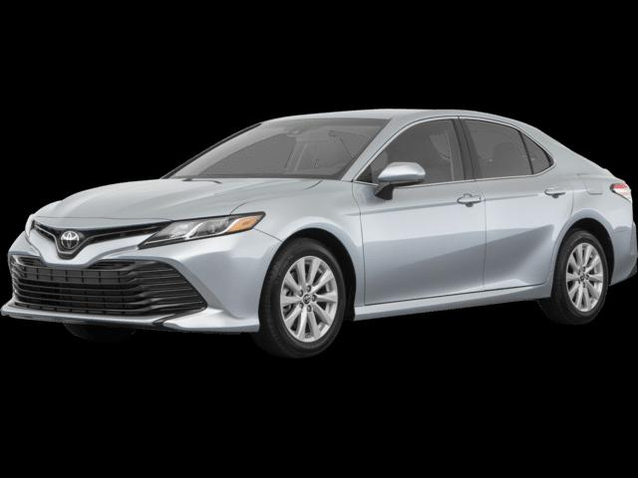

Average Vehicle Metrics: Nigerian Car Market

₦ 20,689,609
₦ 7,803
(km)
132
(hp)
₦ 2,150
(cc)
Location: Nigeria - Africa
Price
Mileage
Horse Power
Engine Size

Top 10 Most Popular Car Models in Nigeria
 | Total
Changan | 1
Dongfeng | 1
Ford | 1
GAC | 5
Kia | 1
Land Rover | 1
Suzuki | 12
Toyota | 1

 | Total
Black | 4
Blue | 3
Brown | 2
Gold | 3
Red | 1
Silver | 6
White | 4
 | Total
Automatic | 18
Manual | 5
Naija Drivers' Choice: Automatic or Manual?
Which Color Wins? Top 10 Picks for Nigerian Cars

